PHA
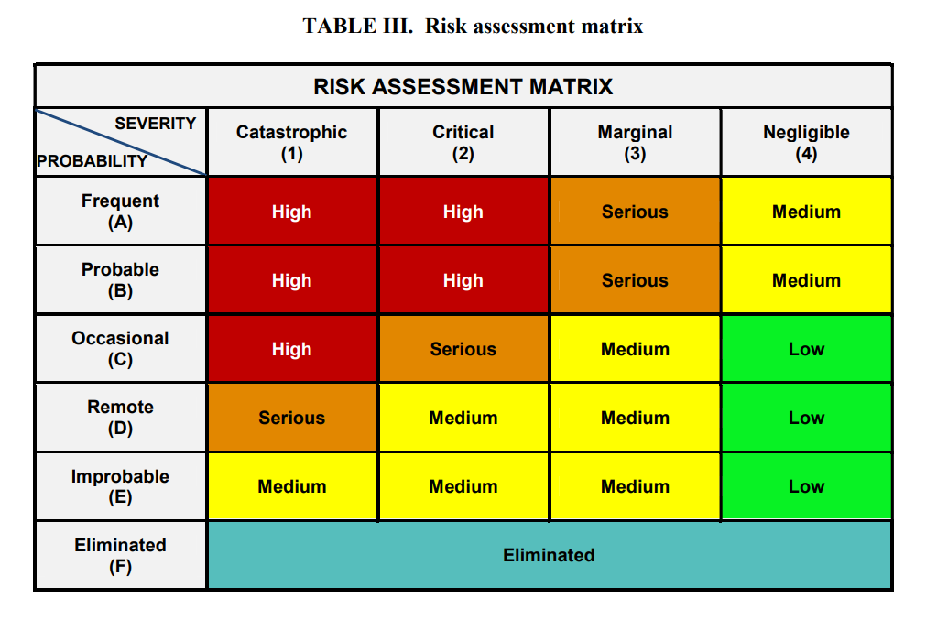
PRELIMINARY HAZARD ANALYSIS (PHA)
System: |  |  |  |  | Analyst: Date:
No. | Hazard | Effects | Causes | IMRI | Recommendation | FMRI | Comments
 | Specific hazard being postulated and evaluated, event if later dismissed as non- hazardous | Effects and consequences of the hazard, should it occur. Generally, the worst-case result is the stated effect. The effect ultimately identities and describes the potential mishap involved. | Conditions; events, or faults that could cause hazard to exist & events that could trigger the HEs to become a mishap or an accident. | Mil-std 882 risk matrix | Recommended preventive measures to eliminate or mitigate the identified hazards | Mil-std 882 risk matrix | Useful information regarding the hazard or the analysis process that are not noted elsewhere. Identify any SCF or SSR.
PHL-1 | Over-Pressued Tank or Spill-Over Tank | 1.Broken or rupture of the tank 2.Potential Leakage to Surroundings 3.Harmful to people and property around it | Too much pressure lead to the rupture of the tank | 2C | Use proper volume of the tank and take regular maintaince | 3D | However, it might be arguable that by systematic design and overall consideration, if the system could fucntion as a whole, there might be so much problem like these.
PHL-2 | Over-Pressued Tank or Spill-Over Tank | 1.Backflow of the material of damage on the pipe or the overall system 2.Poisoning to surrounding personnel 3.Damage to the factory area | Too much pressure lead to the rupture of the tank | 2C | Use proper volume of the tank and take regular maintaince | 3D
PHL-3 | The scrubber might be corroded by ammonia or water | Remained water in the scrubber, or the potential leadage and permeation of the water in the scrubber might contaminate the water and further lead to more serious damage. | The water might corride the pipe and the matierial used for the pipe | 3B | Substsitute the scrubber with materials that would not be corroded. | 4E | There would not be some fatal outcomes for this part solely. But combined with other problems, it might lead to other problems, for example, the purity might be reduced.
PHL-4 | Aging Corrosion Over-pressured | Aging leading to potential hazard like leakage Corrosion and over-pressured increase the possibility of rupture | Aging Corrosion Over-pressured | 3B | Substsitute the Transporting Pipes with materials that would not be corroded. | 4E | There would not be some fatal outcomes for this part solely. But combined with other problems, it might lead to other problems, for example, the materials might be contaminated
PHL-5 | Too urgent releasing process | 1.leakage and poisoning to surrounding personnel 2.Loss of the NH3 and the N2 3.Damage to the surroundings and personnels | Not enough releasing time might lead to rupture and further leakage | 2D | Control the relasing time be human labor or properly design procedure | 2E | However, though all the safety measure might be taken,
PHL-6 | leaking, or not water-tighted | If the valve can not work properly, then the system pressure might be so high that there would be potential safety problem. If the valve is leaking, then not only will the materials keep losing, but there would also be some safety problems to the surroundings and the operators(if there is any) | leaking, or not water-tighted | 3C | Regular maintainance | 4D | No comment
PHL-7 | Single level indicator might not be able to indicate all the required information for the tank | There would not be a clear statu on the indicator, and the supervisor might not be able to properly check the status of the system. | Problem in system design | 2D | Use more indicator in more places | 3E | It is arguable that whether is should be called a hazard, since the problem might not always cause a problem, but since we are doing PHA, I think it is necessary to consider all possible outcomes
PHL-8 | Pump energy source Too much power on the pump Aging of the pump | electric leakage leading to serious danger Too much power on pump lead to overpressure in the tank and pipe aging of the pump lead to difference between the actual parameter and the nominal parameter | The parameters of the system might not be suitable for the pump | 2D | There should be a person check the coherence of the pump | 4E | Again, the problem might be solved in the system design stage
PHL-9 | Leak | 1.Gate valve cannot be fully opened or closed lead to some leakage 2.Gas or liquid is released too quickly so that the valve might be damaged due to the water hammer | If the gate valve leak or can not function properly, then there might be some leakage and leads to some problems on the personnel and the surroundings. | 3D | There should be a person check the coherence of the pump | 5E
PHL-11 | Check valve fails to change direction | Failure of the entire system | If the check valve cannot change its direciton, then the flow would suddenly get stock and then, the pressure in the system might easily be overpressure and the overall system might fail. | 1D | Proper installation of the check valve should be ensured, and if possible, there could be a relief valve in the upstream or the downstream of the check valve. | 3D | However, in some places of the system, there should be some backflow prevention valve, so that the system would not be easily spoiled by the backflow.
PHL-12 | May cause the valve to open or close suddenly or fails to change direction, has slow changeover action | Lead to water hammer effect and damage the whole system | Sudden operation of the valve might damage the system due to the water hammer effect | 3C | The operator should be properlly trained and supervised so that there would not be serious outcomes | 4D | This should not be a common problem if all the engineering practices follow the codes and standards.
PHL-14 | Reducing in the transport capability | The system does not work properly or the pressure in the system is too high causing an explosion | If there is some small stuff in the water or in the NH3, then the pipe might be clogged, leading to less capacity in the transporting ability and the overpressure | 3C | Filtration should be properly taken before any possible operation. There should be a water-quality monitoring system to make sure that the pipes would not be clogged. | 5C

